Tabelle1
RACE CONTROL RADIO ORDERFORM
Please return to info@racecom.de

Team:
Contact Person |  |  | Entry
E-Mail: |  |  | Number:
Mobile:
Company:
Adress:
Post Code: | City:
Country:

Deliveryadress (if different from Companyaddress):

The RC Service is mandatory for all competitors, the rental of the radio is optional.
Incase a RC radio has been purchased, only the Service for the events needs to be marked.

The RC Radioset 2023 consists of:
 |  |  | 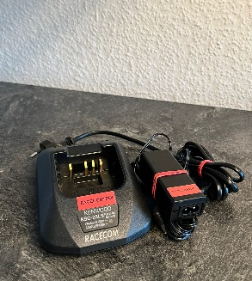
TRANSPORTBAG | RC RADIO |  | RC CHARGER
OPTIONAL SECURITYKIT OR HEADSETADAPTERS ARE AVAILABLE

EVENT / RACE: |  | RENTALFEE: | HANDLING:
Complete Season PCG 2023 |  | 360.00 € | 360.00 €
HOCKENHEIM 28.04. - 30.04. |  | 60.00 € | 60.00 €
OSCHERSLEBEN 26.05. - 28.05. |  | 60.00 € | 60.00 €
ZANDVOORT 23.06. - 25.06. |  | 60.00 € | 60.00 €
NORISRING 07.07. - 09.07. |  | 60.00 € | 60.00 €
ASSEN 01.09. - 03.09. |  | 60.00 € | 60.00 €
NÜRBURGRING 13.10. - 15.10. |  | 60.00 € | 60.00 €
- Preise sind Netto-Preise ohne Mwst. - Preise EXW Mannheim

COMPANY STAMP / SIGNATURE |  |  | DATE

RACECOM Richard Wagner Str. 34 68165 Mannheim
Tel: +49 621 4407944 Fax: +49 621 40068753

